Sheet1
TASK | Build |  |  |  | Database: | 58
Link Apk | http://dev.pitjarus.co/unilever/index.php/tools/transporter_allocation_v2 |  |  |  | Username:
Link Brief | https://drive.google.com/drive/folders/10EwjyeUqdHBeC8WTzqDu4bVQzV5BB6nv?usp=sharing |  |  |  | Password:
DEVICE | HP Laptop 14s-cf0xxx
DATE TESTING | 2021-02-01

No | Menu | Test Scenario | Test Scenario | RESULT | Expectation | REMARKS | Note
1 | Transporter Allocation | Klik Download | Download Template Upload Adjustment Alokasi | sesuai ekspektasi | Kolom Template Alokasi: Investment Code, Investment Name, Drop Type, Drop Point Code Drop Point Name, Transporter Code, Transporter Name Periode start, Periode end, Delivery start, Delivery end, Allocation, is active (sudah Sesuai)
 |  | Klik Download | Download Template Transporter Alokasi | sesuai ekspektasi | Kolom Template: No, Channel, Investment Code, Investment Name Tipe Visibility, Tipe Drop Point, Drop Point Code, Drop Point Name Kode Transporter/Supplier, Nama Transporter/Supplier, Periode Start Periode End, Delivery Start, Delivery End, Qty Alokasi, Qty Delivered Sisa Alokasi, No Receipt Number/AWB (Airway Bill), Nama Penerima Jabatan Penerima, Tanggal Pengiriman, Tanggal Diterima, Is Active (Sudah Sesuai)
 |  | Klik Download | Download Template Adjustment Delivery | sesuai ekspektasi | Kolom Template (Sudah Sesuai)
 |  | Klik Download | Download Master Exception Upload Alokasi | sesuai ekspektasi | Kolom Template (Sudah Sesuai)
 |  | Added Value / Exception | Fungsi Exception Upload Allocation | sesuai ekspektasi | 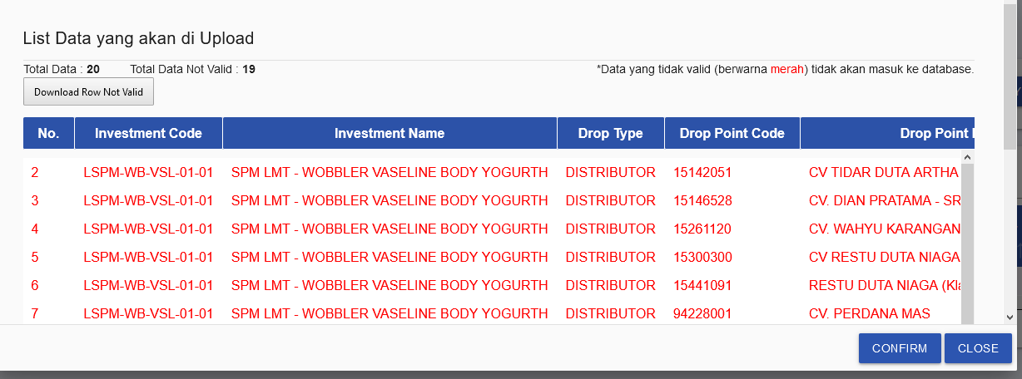 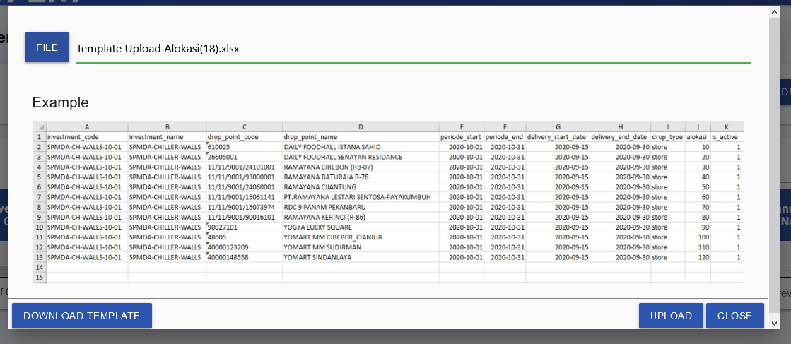 skenario 1: upload data yg salah sesuai expektasi, popup data yang salah akan muncul dan fitur download exception muncul
 |  | Added Value / Exception | Fungsi Exception Upload Allocation | sesuai ekspektasi | 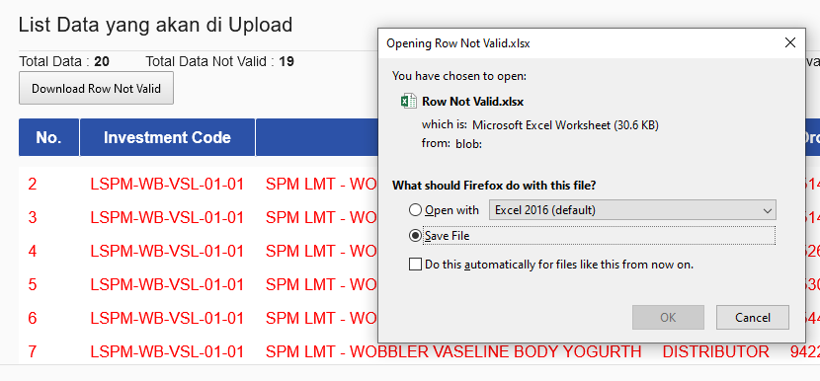 skenario 2: klik download raw not valid (download exception), data salah yg ada di popup terdownload kembali.
 |  | Added Value / Exception | Fungsi Exception Upload Delivery | sesuai ekspektasi | 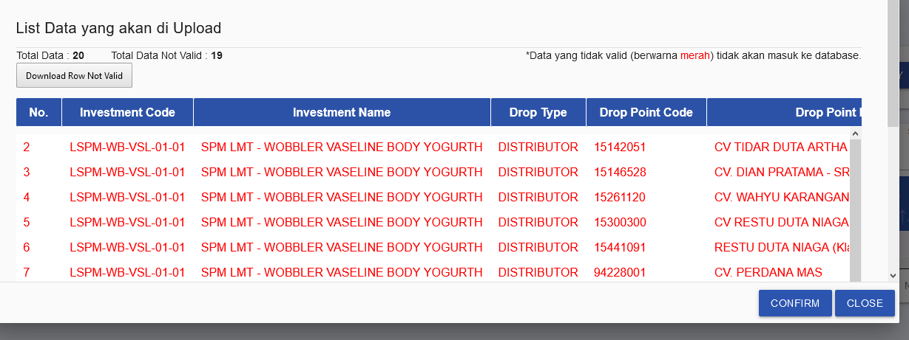 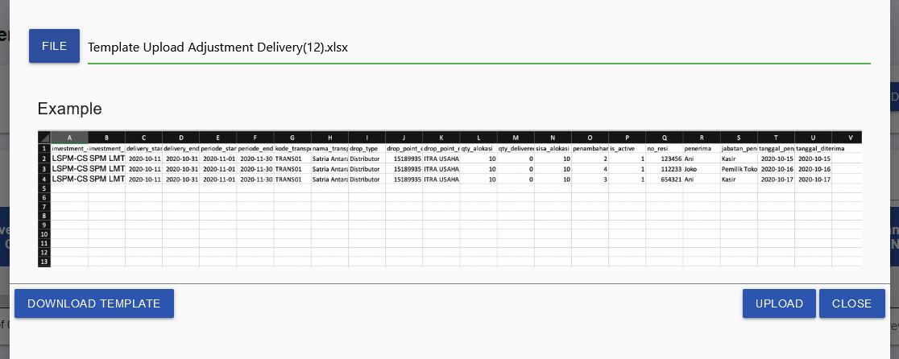 skenario 1: upload data yg salah sesuai expektasi, popup data yang salah akan muncul dan fitur download exception muncul
 |  | Added Value / Exception | Fungsi Exception Upload Delivery | sesuai ekspektasi | 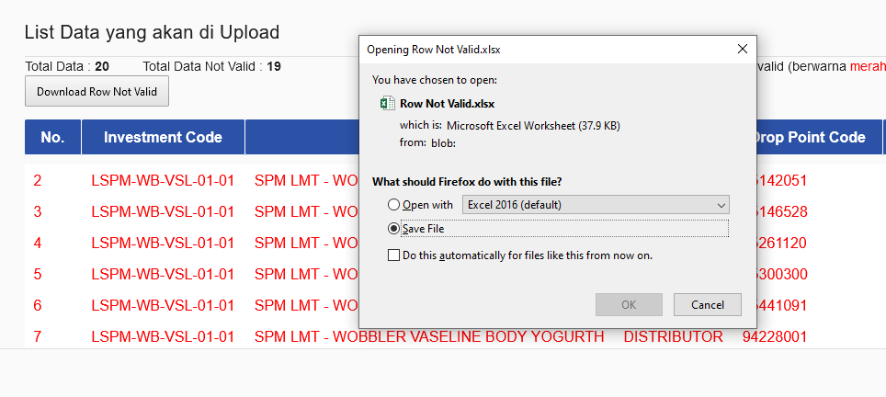 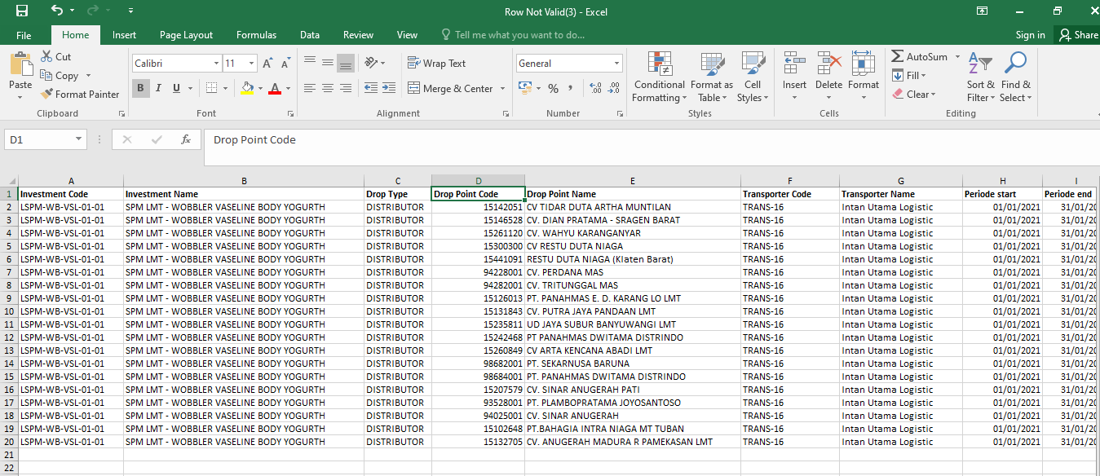 skenario 2: klik download raw not valid (download exception), data salah yg ada di popup terdownload kembali.

Conclusion overall test |  |  |  |  |  | Passed

 |  |  |  |  | Quality Control

 |  |  |  |  | Panji Aryo

